Sheet1
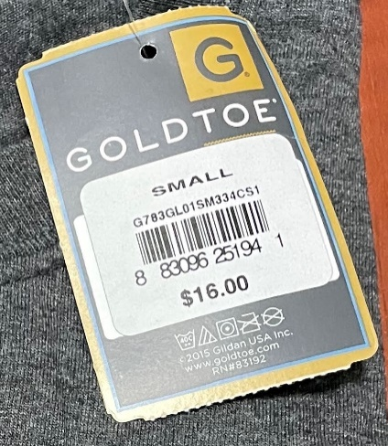

 |  | Gold Toe Branded Men's Pocket Tee Shirts

STYLE | DESCRIPTION | COLOR | S | M | L | XL | 2XL | PPK | TOTAL

G783GL | MEN'S POCKET T-SHIRT | COBBLESTONE | 11,368 | 6,336 | 11,160 | 13,179 | 8,280 |  | 50,323
G783GL | MEN'S POCKET T-SHIRT | HEATHER ROYAL | 1,728 | 7,416 | 14,730 | 12,168 | 3,816 |  | 39,858
G783GL | MEN'S POCKET T-SHIRT | BLACK | 7,798 | 4,611 | 13,350 | 504 | 288 |  | 26,551
G783GL | MEN'S POCKET T-SHIRT | INDEPENDENCE RED |  | 5,832 | 3,581 | 6,480 | 7,076 |  | 22,969
G783GL | MEN'S POCKET T-SHIRT | GARNET | 936 | 4,752 | 6,325 | 2,448 |  |  | 14,461
G783GL | MEN'S POCKET T-SHIRT | WHITE | 1,728 | 3,168 | 3,132 | 1,152 | 504 |  | 9,684
G783GL | MEN'S POCKET T-SHIRT | POOL BLUE |  | 3,456 | 2,081 | 1,584 | 1,457 |  | 8,578
G783GL | MEN'S POCKET T-SHIRT | NAVY | 1,512 | 3,744 | 2,268 |  |  |  | 7,524
G783GL | MEN'S POCKET T-SHIRT | HEATHER DARK GREY | 4,032 | 1,008 |  | 720 | 792 |  | 6,552
G783GL | MEN'S POCKET T-SHIRT | CHIANTI |  | 3,617 | 648 |  | 1,008 |  | 5,273
G783GL | MEN'S POCKET T-SHIRT | OLIVE |  | 3,888 |  | 10 |  |  | 3,898
G783GL | MEN'S POCKET T-SHIRT | WATERSHED AQUA |  |  |  | 3,168 | 504 |  | 3,672
G783GMP | MEN'S POCKET T-SHIRT | MOSSY OAK |  |  |  |  |  | 2,820 | 2,820
G783GL | MEN'S POCKET T-SHIRT | HEATHER MILITARY GREEN |  |  |  | 1,944 | 720 |  | 2,664
G783GL | MEN'S POCKET T-SHIRT | RED |  | 72 |  |  | 1,764 |  | 1,836
G783GL | MEN'S POCKET T-SHIRT | STRATOSPHERE |  |  | 1,800 |  |  |  | 1,800
G783GL | MEN'S POCKET T-SHIRT | HEATHER INDIGO |  |  |  | 14 | 1,512 |  | 1,526
G783GMP | MEN'S POCKET T-SHIRT | CAROLINA BLUE |  | 72 | 36 |  | 108 | 1,044 | 1,260
G783GMP | MEN'S POCKET T-SHIRT | PREPACKED COLORS |  |  |  |  |  | 1,080 | 1,080
G783GL | MEN'S POCKET T-SHIRT | ROYAL |  | 180 | 324 |  | 72 |  | 576
G783GL | MEN'S POCKET T-SHIRT | SAPPHIRE |  |  | 144 |  | 144 |  | 288
G783GL | MEN'S POCKET T-SHIRT | SAFETY GREEN |  |  |  | 72 | 180 |  | 252

 |  | TOTAL | 29,102 | 48,152 | 59,579 | 43,443 | 28,225 | 4,944 | 213,445

